Customer Review
 |  |  |  | Parent: AB001 : ABC School Dist, New York |  |  |  |  |  | Report run on: 3/30/2021 4:17:14 PM

 |  |  |  |  |  |  |  |  |  | Report run from 3/1/2020 to 2/28/2021

6.79 hrs | Avg Response Time on 38 service calls |  |  |  | 99.14% | Machine Availability | 97.07% |  |  |  |  | Last month billing accuracy
33% | of the 46 service calls met their SLA
 |  |  |  |  |  |  | Key Services Used
 |  |  |  |  |  |  |  |  |  |  |  |  | Available
 | Clicks By Invoice Date |  |  |  | 100.00 | Net Promoter Score
 |  |  |  |  |  |  | Info

 |  |  |  |  |  |  | Office Supplies |  |  |  |  |  | Document Imaging
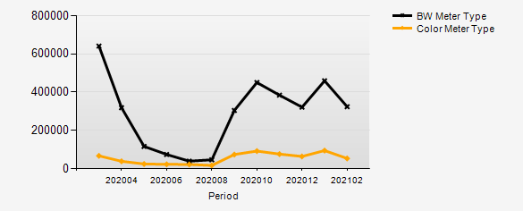 |  |  |  |  | 1 survey responses for the period | 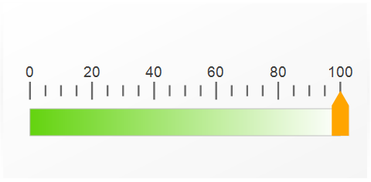
 |  |  |  |  |  |  |  |  |  |  |  |  | IT

 |  |  |  |  |  |  |  | OnSite |  |  | Phone |  |  | Courtesy | Other
 |  |  |  |  |  |  |  | CM | PM |  | PF |  |  | CC | O
 |  |  |  |  |  |  |  | 46 | 3 |  | 10 |  |  | 6 | 37

Top 5 Machines BW Volume |  | BW Clicks | Avg Monthly BW
ID# 23456 [ Sharp/MXM6570] 123 Main St, New York |  | 558437 | 46784
ID# 32198 [ Sharp/MXM654N MFP] 1121 Eighth St, New York |  | 314637 | 26357
ID# 34567 [ Sharp/MX6240N Color MFP] 1121 Eighth St, New York |  | 280493 | 23496
ID# 37896 [ Sharp/MX6240N Color MFP] 401 Alexander Ave, New York |  | 260609 | 21831
ID# 37897 [ Sharp/MXM654N MFP] 1100 S Albert Ave, New York |  | 241840 | 20260

Top 5 Machines Color Volume |  | Color Clicks | Avg Monthly Color
ID# 32198 [ Sharp/MXM654N MFP] 1121 Eighth St, New York |  | 198745 | 16648
ID# 34567 [ Sharp/MX6240N Color MFP] 1121 Eight St, New York |  | 115756 | 9695
ID# 45678 [ Sharp/MX6580N] 1121 Eighth St, New York |  | 39322 | 3294
ID# 47897 [ Sharp/MX6580N] 2400 8th St, New York |  | 25467 | 2133
ID# 45671 [ Sharp/MX6580N] 401 Alexander Ave, New York |  | 18183 | 1523

Detail Stats Charts
 | These stats EXCLUDE calls for contract type(s) <None Applicable> and calls for equipment/contracts assigned the following BillCodes: <None Applicable>

82.61% |  | First Call Effectiveness (OnSite) | 99.14% | Machine Availability |  |  | 100.00 | NetPromoter Score
83% of 46 OnSite CM visits were resolved in ONE visit for the reporting period |  | 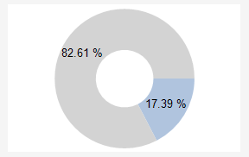 | Total target service hours for all contract machines during period was 60669.00. The total # hours (call received until call completed) was 523.93 | 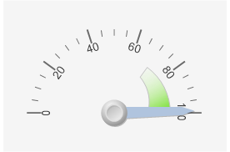 |  |  | 1 survey responses for the period | 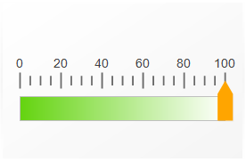

6.79 hrs |  | Average OnSite Reponse Time | 8.5 hrs | First Call Fix Avg Resolution Time (On-Site) |  |  | 24.4 hrs | Rescheduled Calls Avg TTR Time (first call received until final call closed)
34% of 38 corrective maintenance calls were responded to and completely resolved in under 4 hours |  | 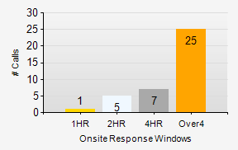 | 8.5 hrs was the average hours for first call fix from when call opened to problem resolution on 38 calls | 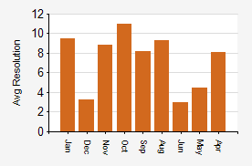 |  |  | 24.4 hrs was the average resolution (CM) hours from when first call opened to final rescheduled call resolution on 8 rescheduled service calls. | 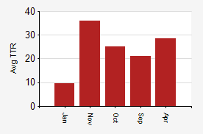

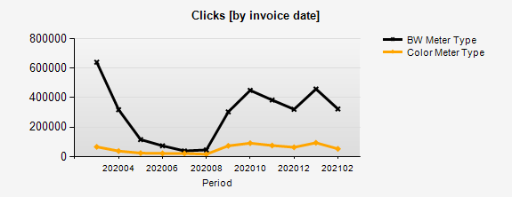 |  |  |  |  | 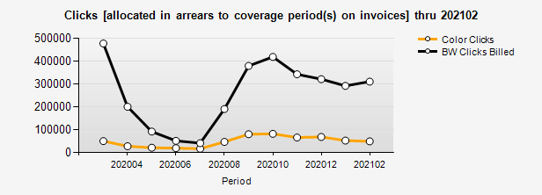

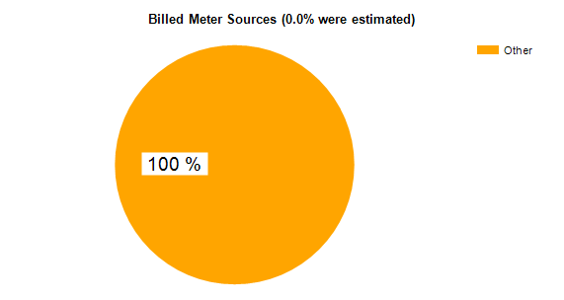 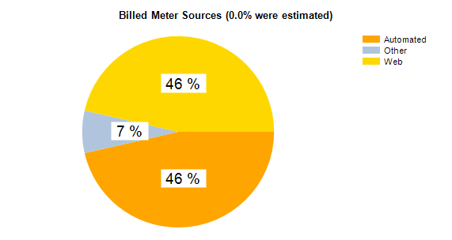 |  |  |  |  |  | 